INTRODUCTION
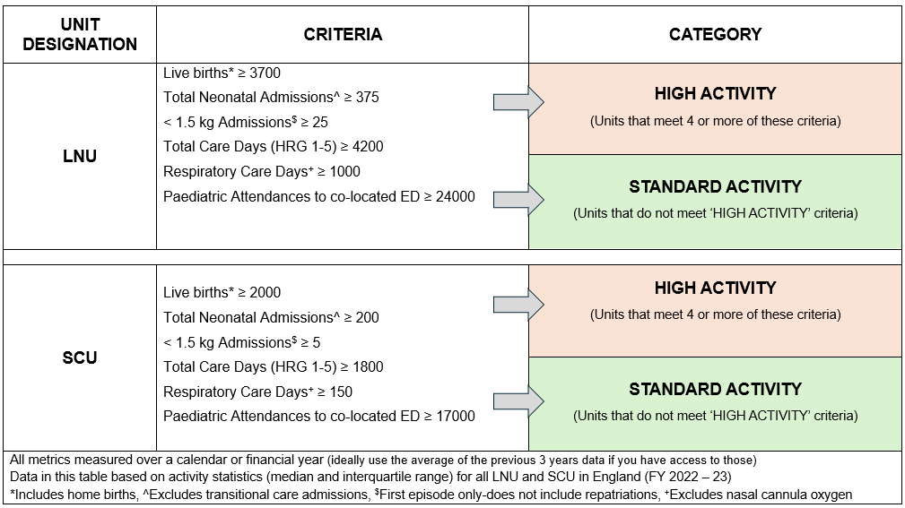
HOW TO USE THIS SELF ASSESSMENT TEMPLATE TO CHECK COMPLIANCE TO BAPM LNU/SCU MEDICAL WORKFORCE RECOMMENDATIONS?
In this excel workbook there are 4 worksheets next to this introduction worksheet These worksheets are labelled as per Unit Designation and Category. Check the GRID Obtain metrics listed and based on number of criteria met by your unit - IDENTIFY WHICH CATEGORY YOUR UNIT IS IN Click on you UNIT CATEGORY below which will take you to corresponding worksheet It is expected that this sheet will be completed periodically, rather than daily or weekly - usually around inductions or annually or during submissions to network, LMNS, or any other workstreaem Choose 'best fit' model for your workforce applying 80/20 rule (Pareto principle). e.g., if 80% of Tier 1 doctors meet 'STANDARD' category select 'STANDARD' if numbers are less than that select the next level below and so on. This applies to all Tiers.
STANDARD ACTIVITY LNU
HIGH ACTIVITY LNU
STANDARD ACTIVITY SCU
HIGH ACTIVITY SCU

Each worksheet contains TWO TABLES: TABLE ON THE LEFT (PURPLE) summarises recommendations in BAPM FRAMEWORK TABLE ON THE RIGHT (PINK) has cells with drop down list - COMPLETE UNIT SPECIFIC INFORMATION in CELLS SHADED YELLOW to assess your compliance to framework recommendations Access BAPM Neonatal Airway Safety Standards document for more specific information
https://www.bapm.org/resources/BAPM-Neonatal-Airway-Safety-Standard

